Mars Environment Constraints
 |  |  |  | MARTIAN ENVIRONMENT ANALYSIS

Atmospheric Conditions: | Mars' atmosphere thinner than Earth's |  | Atmosphere: | Thin Martian atmosphere
 | Mainly composed of carbon dioxide (95.32%) |  |  | Low atmospheric density | EXISTING SPACE CRAFTS FOR MARTIAN EXPLORATION
 | Contains nitrogen and argon |  |  | Approximately 0.0138 kg/m^3
 | Trace amounts of water and oxygen |  |  | Affects aerodynamic performance | 1971 | Mars 2 | Martian orbiter with imaging capability
 | Atmospheric pressure on Mars: 0.4 - 0.87 KPa |  |  | Significant impact on aerial vehicles | 1971 | Mars 3 | Martian orbiter and lander with imaging capability
 | Less than 1% of Earth's atmospheric pressure |  |  |  | 1976 | Viking 1 and Viking 2 | Mars landers with imaging instruments
 |  |  |  |  | 1997 | Mars Pathfinder and Sojourner | Mars lander and rover with scientific instruments
 |  |  | Communication: | Vast distance between Earth and Mars | 2004 | Opportunity and Spirit | Mars rovers with scientific instruments
Temperature: | Extreme temperature variations on Mars |  |  | NASA's Deep Space Network (DSN) used for communication | 2008 | Phoenix | Mars lander with scientific instruments
 | Winter lows as low as -140°C |  |  | Reliance on large Earth-based antennas | 2012 | Curiosity | Mars rover with advanced scientific instruments
 | Summer temperatures reaching 20°C |  |  | Data rates vary: 2 kb/s to 2048 kb/s | 2021 | Perseverance | Mars rover with advanced scientific instruments
 | Challenges for equipment and materials |  |  | Dependence on frequency bands | 2021 | Ingenuity | Mars helicopter for technology demonstration
 |  |  |  | Limited data transmission from Mars to Earth
 |  |  |  | Critical issue with complex missions
Gravity: | Weaker gravity on Mars compared to Earth |  |  | Transmission of large data volumes
 | Martian gravity approximately 3.71 m/s^2 |  |  | Includes images and scientific observations
 | About 38% of Earth's gravity |  |  | Logistical challenges arise
 | Impacts flight and landing dynamics

CHALLENGES FACED BY THE UAV
1. The low air density reduces the lift generated by the UAV's wings or rotors, making it challenging for the UAV to generate the necessary lift to stay aloft.
2. The reduced air density on Mars means that a UAV needs larger wings or rotors to generate the required lift. This requirement for larger lifting surfaces can impact the overall design and size of the UAV, making it bulkier and potentially less maneuverable.
3. The thin atmosphere of MARS makes it challenging to generate the necessary thrust for propulsion. UAVs may need to rely on high-speed rotor or propeller designs to compensate for the reduced thrust.
4. Specialized materials and thermal control systems may be needed to withstand the temperature variations on MARS.
5. Martian atmosphere is thin, it can still experience wind variations, particularly during dust storms. These variable wind patterns can pose challenges for UAV stability and control. Advanced flight control systems and sensors may be required to navigate through unpredictable wind conditions.
6
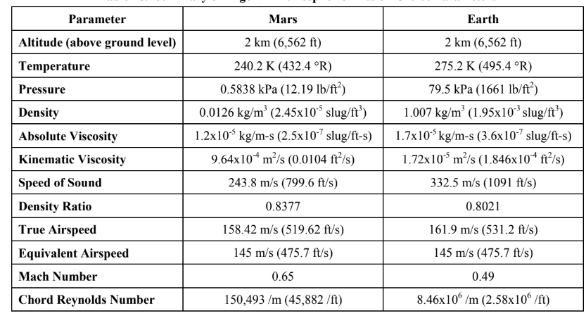

 | FIXED WING | ROTARY WING | FLAPPING WING
Aerodynamics on Martian surface | Larger wings for lift | Larger rotor blades for lift | optimized flapping patterns, agility and maneuverability
 | less maneuverable | excellent maneuverability
 | efficient in sustained flight | VTOL capability
Efficiency in Thin Atmosphere | Requires larger wings | Requires larger rotor blades | Biomimetic design for efficient flight
 | efficient for aerial surveys | efficient for close-range inspection
Maneuverability | Limited in complex terrains | Excellent, suitable for tight spaces | Similar to natural flyers
Takeoff and Landing | Requires runways OR assisted takeoff and landing | VTOL capability, no runways needed | VTOL capability, no runways needed
Endurance and Range | Good endurance and range | Limited compared to fixed-wing | Limited endurance and range
Vulnerability to Dust Particles | Moderate | Vulnerable during hovering | ---------------no historical data-------------
Complexity | MODERATE | MODERATE | Yes, complex

configuration rejection
 | MAJOR CLASSIFICATIONS OF MARS UAV CONFIGURATIONS
 | FIXED WING | ROTARY WING | FLAPPING WING
Advantages | Efficient for long-range and high-speed missions. | Vertical takeoff and landing (VTOL) capability, no runway needed. | Potential for efficient flight in thin atmospheres.
 | Stable flight in thin atmospheres due to constant lift. | Excellent maneuverability for close-range inspection. | Maneuverability and agility similar to insects and birds.
 | Suitable for mapping and wide-area surveillance. | Ability to hover and collect detailed data.

Disadvantages | Require runways or catapults for takeoff and landing. | Limited endurance and range compared to fixed-wing. | Complex aerodynamics and mechanical design.
 | Limited maneuverability in complex terrains. | Vulnerable to dust and sand particles during hover. | Limited payload capacity and endurance.
 | Challenging to access narrow or confined spaces. | More complex mechanical systems and maintenance. | Requires advanced control systems for stability.

 | AERODYNAMIC CONSIDERATION
FIXED WING | Fixed-wing UAVs rely on airfoil-shaped wings for lift generation. On Mars, where the atmospheric density is much lower than Earth's, fixed-wing UAVs must have larger wings to generate sufficient lift.
 | Long, slender wings are efficient for maintaining lift during sustained flight. The design should minimize wing loading to stay aloft in the thin Martian atmosphere. |  |  | long wings are NOT feasible for us
 | High-speed flight may be challenging due to the lower air density, requiring powerful propulsion systems to maintain velocity. |  |  | High speed flight will lead to the flight in supersonic regime too soon on MARS.
 | Landing requires a runway or some form of assisted takeoff and landing due to the lack of buoyant lift and low atmospheric pressure. |  |  | runway poses an issue for us here.

ROTARY WING | Rotary-wing UAVs, like helicopters, generate lift through rotating rotor blades. On Mars, the reduced air density requires larger rotor blades to create enough lift.
 | Helicopters can hover, making them suitable for close-range inspection and collecting detailed data.
 | Maneuverability is a strength, allowing them to navigate tight spaces and complex terrain.
 | Reduced air density affects the efficiency of rotor systems and may require adjustments in blade design.

FLAPPING WING | Flapping-wing UAVs mimic the flight of birds and insects and rely on flapping motion to generate lift and thrust.
 | Biomimetic design requires complex aerodynamics and mechanical systems.
 | Efficiency in low-density Martian atmosphere depends on the optimization of flapping patterns and wing morphology.
 | Offers potential for agility and maneuverability inspired by natural flyers.

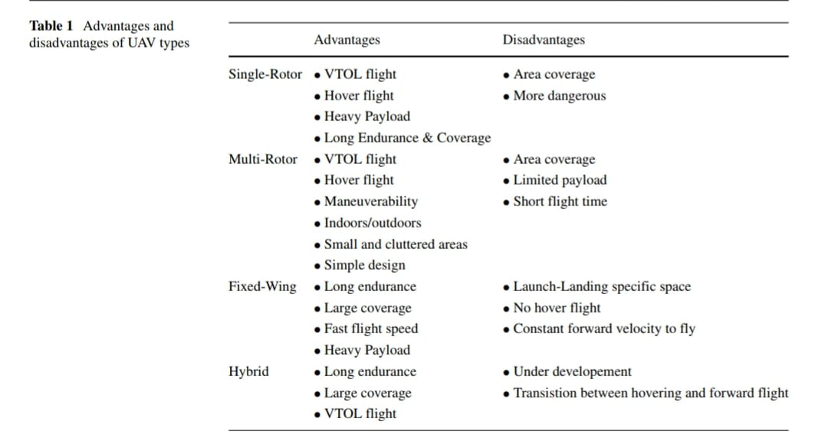
COMPARISON CHART
 | FIXED WING | ROTARY WING | FLAPPING WING
Aerodynamics on Mars Surface | Larger wings for lift | Larger rotor blades for lift | optimized flapping patterns, agility and maneuverability
 | less maneuverable | excellent maneuverability
 | efficient in sustained flight | VTOL capability
Efficiency in Thin Atmosphere | Requires larger wings | Requires larger rotor blades | Biomimetic design for efficient flight
 | efficient for aerial surveys | efficient for close-range inspection

Maneuverability | Limited in complex terrains | Excellent, suitable for tight spaces | Similar to natural flyers

Takeoff and Landing | Requires runways OR assisted takeoff and landing | VTOL capability, no runways needed | VTOL capability, no runways needed

Endurance and Range | Good endurance and range | Limited compared to fixed-wing | Limited endurance and range

Vulnerability to Dust Particles | Moderate | Vulnerable during hovering | ---------------no historical data-------------

Complexity | MODERATE | MODERATE | YES, COMPLEX

UAV Detailed Benchmarking
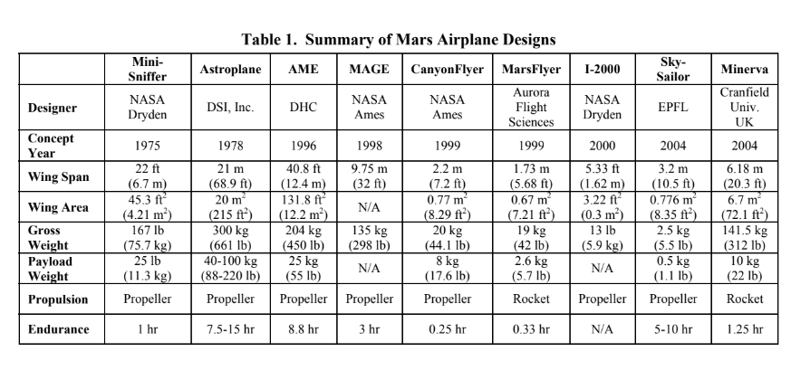
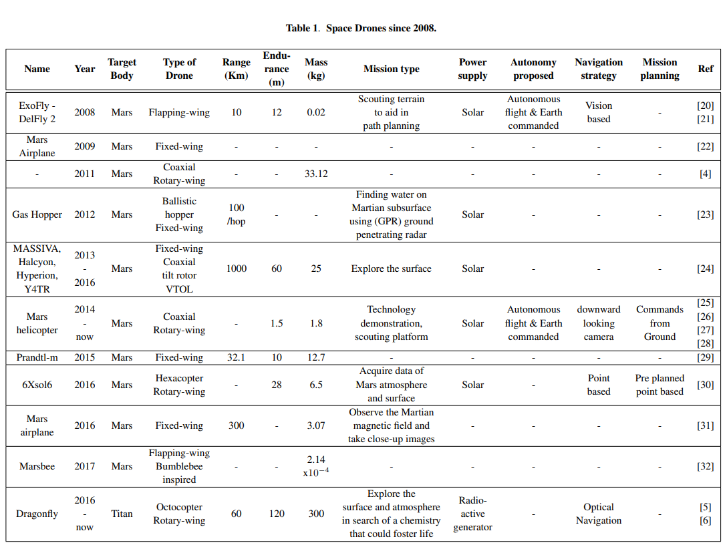
CHOOSEN Configuration | RANGE (km) | ENDURANCE (s) | CRUISE ALTITUDE (m) | YEAR | MASS (kg) | PAYLOAD CAPACITY (kg) | MISSION TYPE | POWER SUPPLY | REMARK | FUTURE SCOPE |  | NAME/AUTHOR/Reference
Tailsitter | 28 -45 | 40 | 200 | 2022 | 24.2 | 1.4 | robotic Valles Marineris Explorer |  | cruise efciency of the tailsitter is more than double that of the helicopte |  |  | https://doi.org/10.1007/s12567-022-00479-4
Helicopter | 28-45 |  |  |  | 18.3 | 1.4
quadcopter | 7 | 1800 | 6000 | 2020 | 1.4 |  | Small Lava Caves Exploratory |  |  |  |  | Small Lava Caves as Possible Exploratory Targets on
fixed wing-twin tail | 70 | 1 | 21,000 m | 1975 | 75.7 | 11.3 | detecting and monitoring airborne substances or gases. | Propeller |  |  |  | NASA Mini-Sniffer - Wikipedia
. | 10,000 | 17–31 hrs | 10,000 |  | 300 | 40-100 |  |  |  |  |  | https://doi.org/10.1016/j.paerosci.2018.01.003
fixed wing |  |  | 20000 | 2012 |  | 200 | reconiniacace | solar |  |  |  | https://doi.org/10.2514/6.1990-2000
fixed wing-twin tail | 1800 | 10800 |  | 2003 | 135 |  |  |  |  |  |  | MAGE Exploral
propeller driven, fixed wing aircraft | 130 | 900 | 2 | 2012 | 20 | 8.7 | autonomous navigation to a specific region of scientific interest. | battery powered electric motor and hydrazine fueled reciprocating engine |  |  |  | https://doi.org/10.2514/6.2000-514
. | 100-300 | 3600 | 10 | 2000 |  | 2023-01-03 | • Targetted Navigation and Control • Controlled Descent Imaging • In-situ Atmospheric Measurement |  |  |  |  | Mars Science with Small Aircraft - NASA/ADS (harvard.edu)
Fixed Wing | 10000 | 7.5-15hr |  | 1978 | 300 | 40-100 |  | Hydrazine fuel engine propeller |  |  | Astroplane | https://doi.org/10.3390/drones6010004
 | 1800 | 3hrs |  | 1998 | 135 | N/A | Data collection of valles mariners | propeller |  |  | MAGE | https://doi.org/10.3390/drones6010005
 | 130 | 0.25 |  | 1999 | 20 | 8 |  | propeller |  |  | Canyon Flyer | https://doi.org/10.3390/drones6010006
Fixed Wing |  |  | 1000-2000 | 2003 |  |  |  | Li/MnO2 batteries |  |  | ARES-1 | Theises:Preliminar eliminary Design, Flight Simulation, and T y Design, Flight Simulation, and Task Evaluation of a aluation of a Mars Airplane
Fixed Wing | 500 | 60 | 1000-2000 | 2003 | 175 |  |  | Li/MnO2 batteries |  |  | ARES -2 | Theises:Preliminar eliminary Design, Flight Simulation, and T y Design, Flight Simulation, and Task Evaluation of a aluation of a Mars Airplane
Fixed Wing | 673 | 86.9 |  |  | 164 |  |  |  |  |  | Argo VII | Theises:Preliminar eliminary Design, Flight Simulation, and T y Design, Flight Simulation, and Task Evaluation of a aluation of a Mars Airplane
FLAPPING WING | 10 | 12min |  | 2008 | 0.02 |  |  | Solar |  |  | Exofly-delfly 2 | Theises:Preliminar eliminary Design, Flight Simulation, and T y Design, Flight Simulation, and Task Evaluation of a aluation of a Mars Airplane
Coaxial rotary wing |  | 1.5 |  | 2014 | 1.8 |  |  | Solar |  |  | Mars helicopter | https://doi.org/10.3390/drones6010004
 |  | 20min | 2000 |  | 12 | 1.42 |  |  | cancelled due to funding. predecessor of ares |  | Marsflyer | https://doi.org/10.3390/drones6010004

